Main Reception IVR
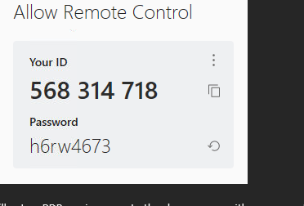
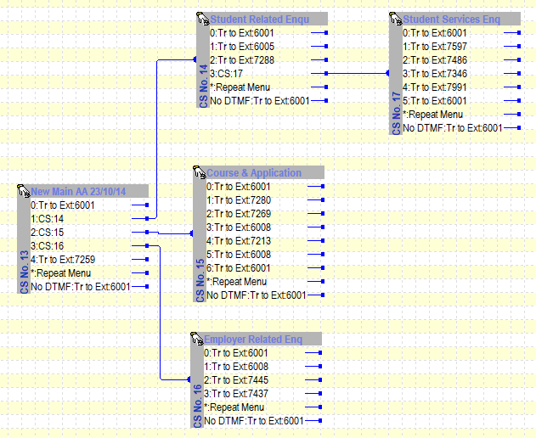
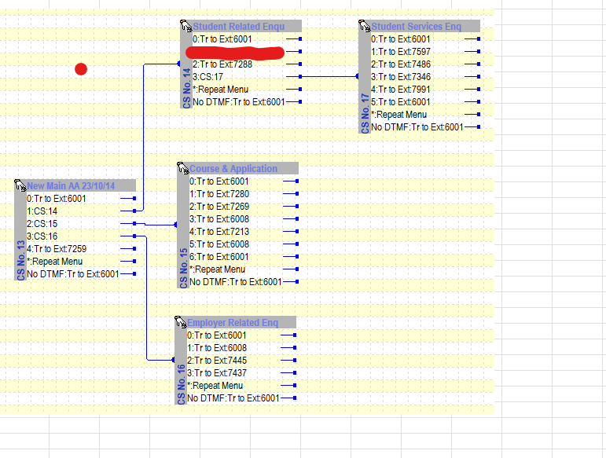
Extensions noted in this diagram.
Extension | Destination (Teams) | Notes
6001 | Unknown | +441962797360
7259 | TSmith@sparsholt.ac.uk

7288 | ITServiceDesk@sparsholt.ac.uk | On list of outstanding queries
7597 | Finance Call Queue 1
7486 | HWinter-Stroud@sparsholt.ac.uk
7346 | NBreen@sparsholt.ac.uk
7991 | Unknown | careers call queue
7280 | SBaker@sparsholt.ac.uk
7269 | ISortwell@sparsholt.ac.uk
6008 | Unknown | Apprenticeships Call Queue | sally karen
7213 | ZBatty@sparsholt.ac.uk
7445 | Unknown | +441962797254
7437 | SBucknole@sparsholt.ac.uk

Office Hours | out of hours is to be set from 17.30 Monday to Thursday until 08:00 and from 17:00 Friday until Monday 08:00.

To do...
Out of Hours options | Voicemail delivery?
Call Queue timeout handling

